Sheet1
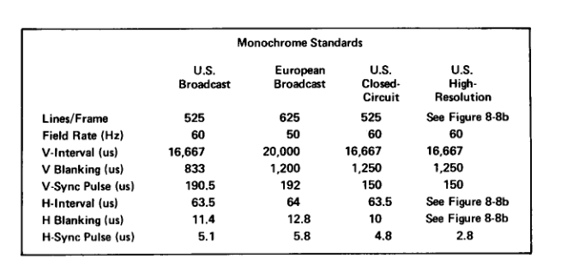
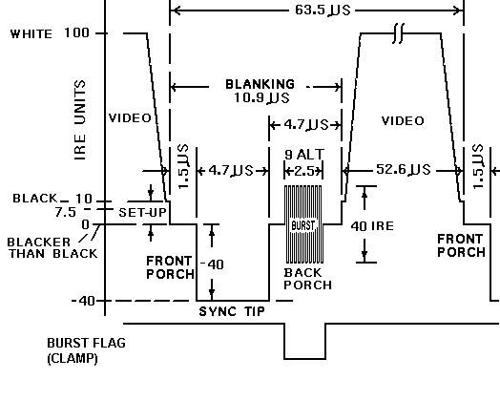

Clock(Mhz) | 7.15909

Levels |  |  | Timings |  |  |  |  |  | Checksums |  |  |  |  | PONG Timings
Peak-White | 100 | Horizontal |  | Period (us) | Cycles | Cycles Approx | Period Approx (us) | Relative Error (%) |  | Expected | Obtained | Relative Error (%) | Horizontal |  | Cycles | Period (us)
Black | 7.5 |  | Active Video | 52.6 | 376.6 | 377 | 52.66 | 0.1 | Back Porch | 4.7 | 4.7 | 0.0 |  | Active Video | 375 | 52.38
Blanking | 0 |  | Front Porch | 1.5 | 10.7 | 11 | 1.54 | 2.4 | HBlanking | 10.9 | 10.9 | 0.0 |  | Front Porch | 32 | 4.47
Sync | -40 |  | Sync Pulse | 4.7 | 33.6 | 34 | 4.75 | 1.0 | Full horizontal Line | 63.5 | 63.5 | 0.0 |  | Sync Pulse | 32 | 4.47
Burst | (+/-) 20 |  | Pre-Burst | 0.6 | 4.3 | 4 | 0.56 | 6.9 | VBlanking | 1333.5 |  |  |  | Back Porch | 16 | 2.23
 |  |  | Burst | 2.5 | 17.9 | 18 | 2.51 | 0.6 |  |  |  |  |  | Full Horizontal Line | 455 | 63.56
 |  |  | Post-Burst | 1.6 | 11.5 | 11 | 1.54 | 4.0 |  |  |  |  | Vertical |  | Lines | Period (us)
 |  |  | Full Horizontal Line | 63.5 | 454.6 | 455 | 63.56 | 0.1 |  |  |  |  |  | Active Video (per Field) | 246 | 15634.67
 |  | Vertical |  | Period (us) | Lines | Approx Lines | Period Approx (us) | Relative Error (%) |  |  |  |  |  | Front Porch | 4 | 254.22
 |  |  | Active Video (per Field) | 15335.25 | 241.5 | 242 | 15367 | 0.2 |  |  |  |  |  | Sync Pulse | 4 | 254.22
 |  |  | Front Porch (Equalizations) | 190.5 | 3 | 3 | 191 | 0.0 |  |  |  |  |  | Back Porch | 8 | 508.44
 |  |  | Sync Pulses (Serrations) | 190.5 | 3 | 3 | 191 | 0.0 |  |  |  |  |  | Full Field | 262 | 16651.56
 |  |  | Back Porch (Equalizations) | 190.5 | 3 | 3 | 191 | 0.0 |  |  |  |  |  | Full Frame | 524
 |  |  | Back Porch (Pulses) | 762 | 12 | 12 | 762 | 0.0
 |  |  | Full Field | 16668.75 | 262.5 | 263 | 16701 | 0.2
 |  |  | Full Frame | 33337.5 | 525 | 525 | 33338 | 0.0

